Sheet1
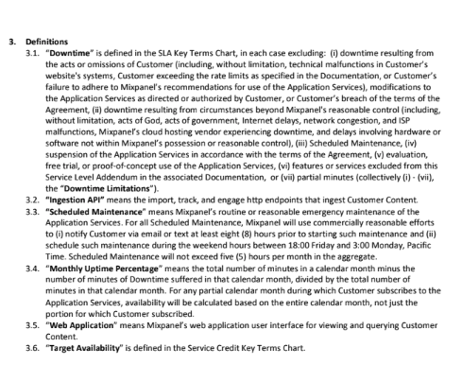
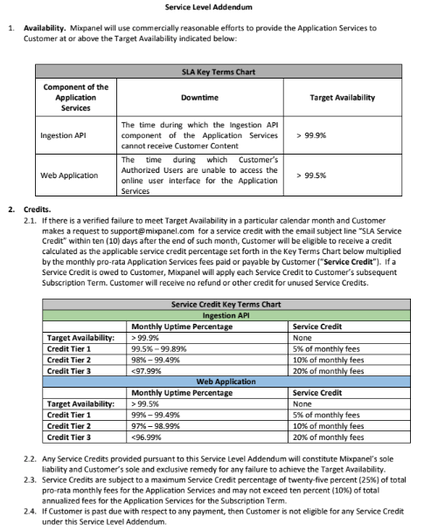
# | Section | Questions from Mixpanel
1 | Functional Detailed Requirements 3.2.3 | Please clarify CRM
2 | Functional Detailed Requirements 3.2.5 | Please clarify the difference between the loyalty profile and customer profile
3 | Functional Detailed Requirements 6.2 | Please clarify maximum concurrent funnel analysis with an example
4 | Functional Detailed Requirements 9.1.3 | Please clarify ability to forecast bookings, customer traffic, ancillary revenue, and engagement trends, how is Indigo team doing this today?
5 | Functional Detailed Requirements 9.1.6 | Please clarify recommend optimization opportunities, how is Indigo team doing this today and are there examples?
6 | Functional Detailed Requirements 9.1.7 | Please clarify recommend next best action for customers, how is Indigo team doing this today and are there examples?
7 | Functional Detailed Requirements 9.1.10 | Please clarify predictive customer lifetime value, how is Indigo team doing this today and are there examples?
8 | Functional Detailed Requirements 9.1.13 | Please clarify configure custom prediction models, how is Indigo team doing this today and are there examples?
9 | Functional Detailed Requirements 9.1.14 | Please clarify integrate customer-owned AI/ML models, how is Indigo team doing this today and are there examples?
10 | Functional Detailed Requirements 14.1 | Please clarify enterprise data lineage, how is Indigo team doing this today and are there examples?
11 | Non-Functional Detailed Requirements 4.1 | Please share full list of existing providers and platforms required for integration
12 | Non-Functional Detailed Requirements 7.2 | Ability to provide India-based hosting - please clarify if this is a mandatory requirement or a good to have?
13 | Terms VII C: Termination of Convenience | While we understand it may be premature to negotiate specific terms at this stage, we would like to flag this upfront and request that this point be addressed as we progress through the RFP rounds. Since we are a SaaS-based company and operate on an ARR business model, we are unable to accept a T4C clause, as it would prevent the contract value from being recognized as revenue for our business. The bare minimum committment we would require is that of a 1-year term if you are unable to commit to a 2 or 3 year term which is where our discounting kicks in. Please reconsider this position.
14 | Terms VII E: Dispute Resolution, Governing Law & Jurisdiction | Please clarify if we have any flexibility here as we are a foreign vendor. We would request this be amended to the laws of England & Wales as accepted by all other Indian customers as a compromised (and, as agreed during the execution of our mutual NDA)
15 | Terms VII: SLA Penalty Criteria | As to the SLA, our commitment and annex are standard across our customer base as we typically don't allow material changes to our SLA. As a result, we request amendments to the SLA provided as per the document attached inline
16 | Terms VII: SLA Penalty Criteria | As a global policy, we adhere to the linked support offerings and response times mentioned here: https://docs.mixpanel.com/docs/response-times#support-offerings-&-first-response-times

